AXISSDL
AXISSDL | Axis Nifty AAA Bond Plus SDL Apr 2026 50:50 ETF FOF

 | Monthly Portfolio Statement as on October 31, 2025
 | Name of the Instrument | ISIN | Industry / Rating | Quantity | Market/Fair Value (Rs. in Lakhs) | % to Net Assets | YTM~ | YTC^ | null
 | Others
 | Exchange Traded Funds
148926 | Axis Nifty AAA Bond Plus SDL Apr 2026 50-50 ETF | INF846K01Z04 |  | 186,531,394 | 24,249.08 | 99.35%
 | Sub Total |  |  |  | 24,249.08 | 99.35%
 | Total |  |  |  | 24,249.08 | 99.35%
 | Reverse Repo / TREPS
TRP_031125 | Clearing Corporation of India Ltd |  |  |  | 164.54 | 0.67% | 5.56%
 | Sub Total |  |  |  | 164.54 | 0.67%
 | Total |  |  |  | 164.54 | 0.67%
 | Net Receivables / (Payables) |  |  |  | (6.34) | (0.02)%
 | GRAND TOTAL |  |  |  | 24,407.28 | 100.00%

 | ~ YTM as on October 31, 2025
 | ^ YTC represents Yield to Call provided by valuation agencies as on October 31, 2025. It is disclosed for Perpetual Bond issued by Banks (i.e. AT-1 Bond / Tier 1 Bond / Tier 2 Bond), as per AMFI Best Practices Guidelines Circular no. 135/BP/91/2020-21 read with SEBI circular No. SEBI/HO/IMD/DF4/CIR/P/2021/034 on Valuation of AT-1 Bonds and Tier 2 Bonds.
 | As per SEBI Circular no. SEBI/HO/IMD/PoD1/CIR/P/2024/106 dated August 05, 2024, valuation of AT-1 Bonds are done on Yield to Call basis w.e.f. August 07, 2024. YTC of AT-1 Bonds are now same as it’s YTM and hence it is not disclosed separately under YTC.

 |  | Benchmark Name - NIFTY AAA BOND PLUS SDL APR 2026 50:50 INDEX
 | Scheme Risk-O-Meter | Benchmark Risk-O-Meter
 | 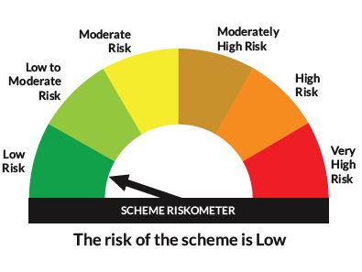 | 

